Game Overview
GAME OVERVIEW |  |  |  |  | BACK

 | GAME X

 | Stoneage Sightwords will put the player in control of a little caveman boy, whose task is to create the first spoken language by collecting all the sightwords, learning them and spread the knowledge among his fellow cavemen for them to grow in their communicative skills. The game will work as an horizontal runner with 4 lanes where the player will be able to catch the sightwords and will need to avoid unwanted obstacles.
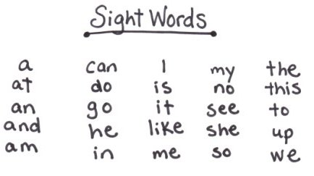

 | GAME OVERVIEW

 | 4 Lanes Running:

 | The player will use his avatar to run in a constant and infinite track, from left to right along 4 horizontal lanes. By swiping up and down, the player will make the avatar change lanes when needed. Along these lanes the player will see different elements coming, most importantly, the "Sightwords" which will be the most important asset of the game. Everytime the player collects a correct sight word he will gain 1 point. 20 points will finish a level.

 | Other things the player will find while running are "Incorrect Words" (words that look and sound alike sightwords) and "Obstacles". The player will need to avoid this by changing lanes or by jumping them. Everytime the player avatar collides with an obstacle, he will lose 1 point.

 | The objective of the game is for the player to learn the complete set of sightwords in english language. These words will be presented in an orderly fashion along the regular levels, randomizing some minor aspects in order to help players adapt to the lenght and complexity of the words and by repetition of previous words, the game will allow them to practice what they learn.

 | The game will reward the players in different ways:

 | . Stars Rating: each time a level is finished, several actions are taken into account and the player is rewards with 1, 2 or 3 stars.

 | . Avatar Items: each certain amount of levels, if the player gets a 3 star rating, he will be rewards with items for the avatar and his mount.

 | . Diplomas: when the player finishes any zone, he will receive a printable diploma certifying him for the grade the zone was (Pre-Primer, Primer, 1st Grade, etc). These diplomas must have a system allowing to send them via email in order to be printed in a computer. Later on, the diplomas will be seen in the Sightwords Gallery.

 | PLAYER AVATAR

 | The player will control a young caveman mounted on the back of a young t-rex. They will swiflty advance on a prehistoric setting collecting all the words and items that will help this youg caveman to teach his peers how to communicate. The animations will tend to be smooth and funny.

 | The avatar and its mount will be the most important mean for audio and visual feedback for the player to know how he's doing during gameplay. Even when the design will be very simple, it will be crafted for the animations to be as expressive and clear as possible. For example, whenever the player gets a word right, the avatar will soundly cheer, while whenever he gets a word wrong, the mount might grunt or snore or some other negative audiovisual feedback to let the player know something went wrong on that last action.

 | The general look of the avatar will be cartoonish and childish. All other aesthetic elements will complement it maintaining the same visual mood.

 | As explained above, the avatar and it's mount will receive occasional items as rewards in order to portray advancement in the avatar look and feel. These items won't affect gameplay and will be given only if the player obtains 3 stars in the proper levels mentioned in the table below.

 | Item: | Given in Level: | Reference:
 | Goggles (kid) | 2 | 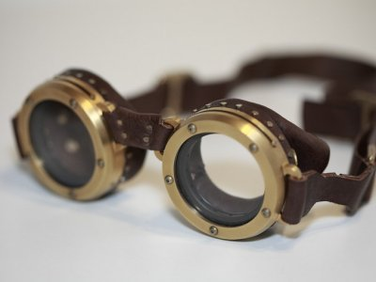
 | Goggles (t-rex) | 4 | 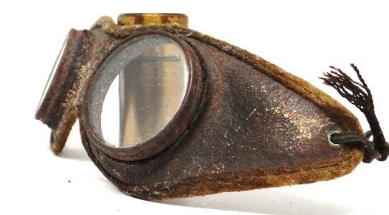
 | Helmet (kid) | 8 | 
 | Rock Chest Armor (kid) | 10 | 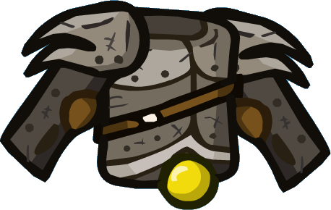
 | Riding Saddle (t-rex) | 12 | 
 | Soft Shoes (t-rex) | 15
 | Bone Saddle (t-rex) | 18 | 
 | Rock Armor (t-rex) | 22 | 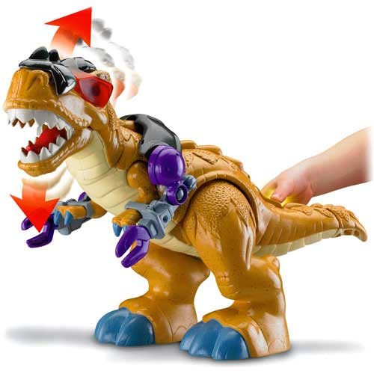 | NOTE: should look similar but far more cave-man-ish.
 | Bones Helmet (t-rex) | 25 | 
 | Tipitap Banner (kid) | 28 |  | NOTE: will be carried by the kid on his back, like japanese cavalry did.

Zones, Levels, Mechanics
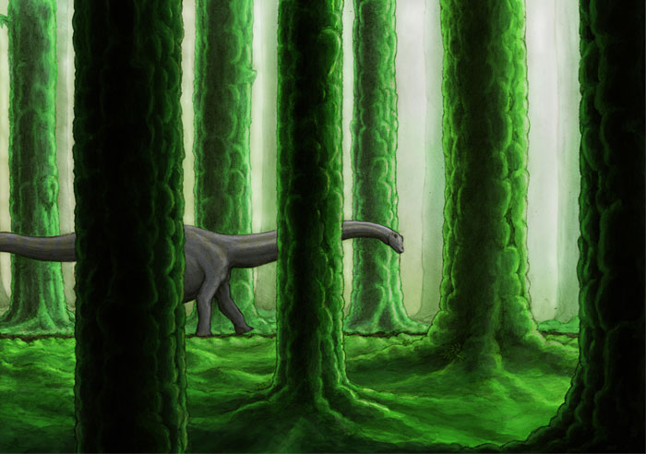
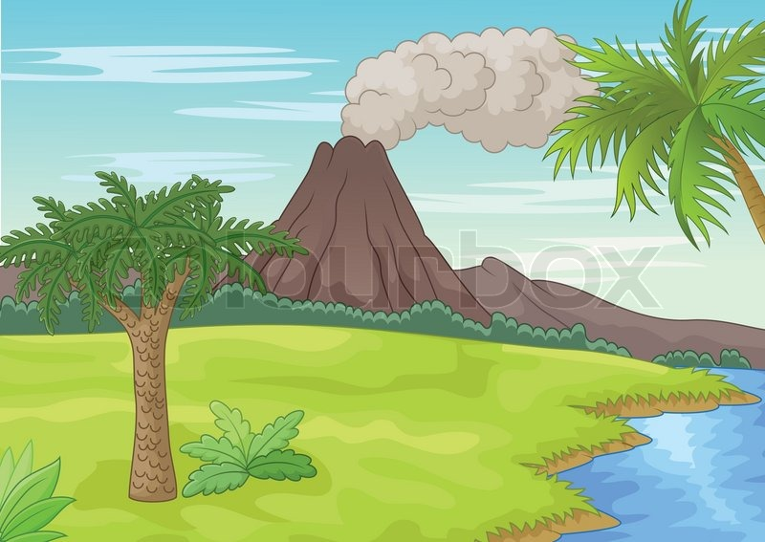
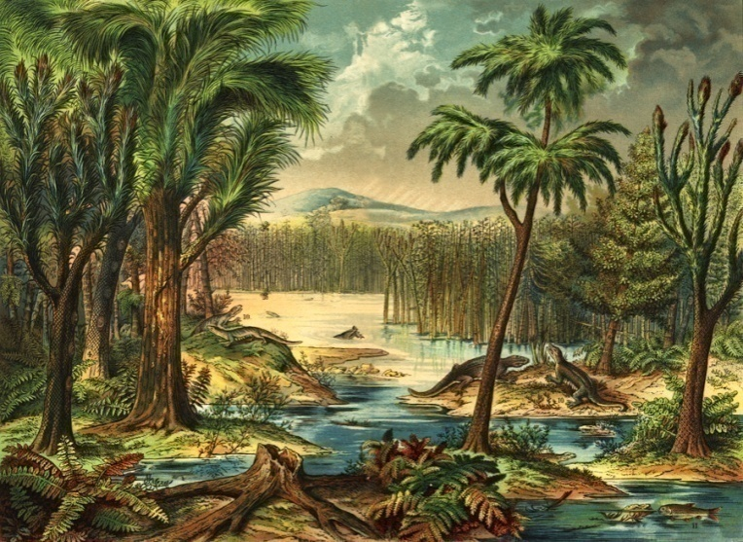
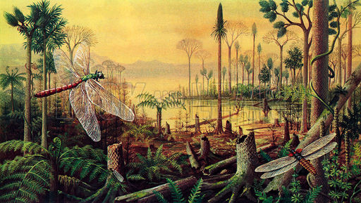
ZONES, LEVELS and MECHANICS |  |  |  |  | BACK

 | PREHISTORIC ZONES and LEVELS

 | For this first version, the game will be divided into 2 zones, each of one will feature words of different grades.

 | These zones will be presented to the player with a grid of levels, mostly like any puzzle game out there, and will show only the first zone unlocked and ready to play.

 | The player will see that only the first level of the first zone is unlocked. He will need to play one level in order to unlock the next, and will need to play at least 10 levels in Zone 1 in order to unlock Level 1 of Zone 2.

 |  | ZONE 1: FOREST Pre-Primer Level | ZONE 2: VOLCANO Primer Level
 |  | Unlocked by Default | Needs to unlock level 10 of Zone 1

 | LEVEL ELEMENTS

 | . Scoring: all levels will require the player to reach 20 points in order to finish them. This scoring is increased by collecting correct words and decreased by stomping into obstacles or collecting incorrect words.

 | Words will be requested according to the score. When the player reaches x score, a new word will be requested. If the player commits mistakes, his score might drop below the requested score for a certain word. In this case the player will still need to catch the new word instead of going back to the previous one.

 | EXAMPLE: the player has 0 score, he needs to collect the word "ate". When he reaches 5 points, the requested word changes to "black". The word black will change when the player reaches 10 points, but the player commits 2 mistakes and his score lowers to 3 points. He will still need to collect the word "black" until reaching 10 points.

 | . Lanes: these will be the paths were the player's avatar will run. There will be always 4 but we should be able to alter this number if needed, which means that we should be able to add or remove lanes up to a maximum of 4 and a minimun of 2. Lanes should center in the middle of the screen section dedicated to them.
 | . Change Lanes Control: by simply swapping with one finger up or down, the player will make the avatar change one lane at a time, like most runners in the market. This change will be fast enough to help the player avoid obstacles and incorrect words smoothly and safely when the game speeds up in advanced levels.

 | . Jumping: with a screen tap (anywhere in the screen except the pause button) the player will make the avatar jump. This will help him avoid obstacles and/or incorrect words.

 | NOTE: Collision Detection to obstacles and words must have a small threshold to allow a minimum range for mistake.

 | . Requested sight words: every level will have a fixed amount of words for the player to collect given at certain score. All levels will require the player to sum up 20 points to finish. Between those 20 points, different words will be requested. As a general rule, each 4 points a new word will be requested, so all levels might have a total of 5 words. This must be a variable though, and we should be able to change those values when needed.

 | Each time a word is requested, there won't be any obstacles nor words coming in the lanes. The request will be made with the word read out loud (voices already recorded). This voice will be heard each time the player collects the requested word as well. When the player reaches the stipulated score to change to a new word, he will see this "word request" in the center of the screen and the new words and misguiding words will start appearing in the path.

 | When the player collects a misguiding word, along with the avatar animation (which will have its own sound) the player will hear the same voice saying "Oh Oh", or "Oh no!", or any other "not so negative" expresion, to clearly indicate the player that the word he got was incorrect. Catching an incorrect word counts as a mistake and will cost the player -1 point..

 | . Obstacles: the game will feature an extra difficulty to the incorrect words: obstacles. These will vary from rocks to tree stubs and may be related to the zone the player is currently visiting. These obstacles will count as a mistake if hit, and will cost the player -1 point.

 | Whenever the player hits an obstacle, the avatar will have an animation of tripping (funny and cartoonish) with its proper sound effect. The running speed will derease by half while playing this animation, and will recover the fixed speed for the level gradually during 3 seconds of acceleration.

 | During this acceleration phase, the player will still be able to change lanes and collect words AND hit other obstacles, which will reduce the speed by half again.

 | During the tripping animation the swipe up or down is disabled. The animation should not last more than 2 seconds.

 |  | Obstacles List
 |  | Name | Reference
 |  | Tree Stub | 
 |  | Big Rock | 
 |  | Oil Puddle | animated with bubbles?
 |  | Lava Puddle (volcano zone only) | 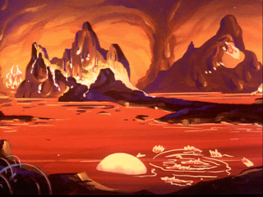
 |  | Cacti | 
 |  | Big Dinosaur Skull | 

 | . Stars Rating Criteria: at the end of each level the player will receive a stars rating accodring on how he played. This will be simply based on the amount of mistakes he made during gameplay. Below the list of star ratings. By "mistakes" we refer to the action of collecting an incorrect word or by stomping over obstacles as well.

 | . 3 Stars: None or 1 mistake.

 | . 2 Stars: 2 or 3 mistakes.

 | . 1 Star: more than 4 mistakes.

 | The game is meant to be rewarding regardless of the player doing many things wrong, that's why the player will at least, receive 1 star everytime he plays a level.
 | EXAMPLE LEVEL DESING

 | The following is an example of the variables and values that would be needed for a level:
 | Variable |  | Value | Notes
 | Number: |  | 2 | This is the level number to be shown in the levels grid.
 | Score Limit: |  | 20 | This is the number of points needed to finish a level.
 | Lanes: |  | 4 | This is the amount of lanes the level will have.
 | Fixed Words: |  | 3 | This is the amount of fixed words the level will have.
 | Random Words: |  | 2 | This is the amount of random words the level will have. Random words can be anyone from previous levels, with their respective incorrect words.
 | Word 1: |  | a
 | Score for Word 1: |  | 0 | This is the score for the word to be requested. Word 1 will always be 0, since it's the first requested word in the level.
 | Incorrect 1 Word 1: |  | b | These are the words that will appear in the lanes along with the requested word.
 | Incorrect 2 Word 1: |  | c
 | Incorrect 3 Word 1: |  | d
 | Word 2: |  | and
 | Score for Word 2: |  | 4 | When the score reaches this value, Word 2 will be requested.
 | Incorrect 1 Word 2: |  | ant | These are the words that will appear in the lanes along with the requested word.
 | Incorrect 2 Word 2: |  | alt
 | Incorrect 3 Word 2: |  | add
 | Word 3: |  | away
 | Score for Word 3: |  | 8 | When the score reaches this value, Word 3 will be requested.
 | Incorrect 1 Word 3: |  | await | These are the words that will appear in the lanes along with the requested word.
 | Incorrect 2 Word 3: |  | awake
 | Incorrect 3 Word 3: |  | awacs
 | Score for Random Word 1: |  | 12 | When the score reaches this value, Random Word 1 will be requested.
 | Score for Random Word 2: |  | 16 | When the score reaches this value, Random Word 2 will be requested.
 | Distance Between Words: |  | 20 | This is a value that will measure the distance word from word in the same lane.
 | Word Randomness: |  | 10 | This is the value which determines how spread will be the distribution of words between lanes.
 | Obstacles: |  | YES | This is a switch to determine if the level will have obstacles or not.
 | Distance between obstacles: |  | 15 | This is a value that will measure the distance obstacle from obstacle in the same lane.
 | Obstacle Randomness: |  | 10 | This is the value which determines how spread will be the distribution of obstacles between lanes.
 | Level Speed: |  | 5 | This is a value that will measure how fast the level advances during gameplay.

 | IMPORTANT: some values might be adjusted according on how are we gonna measure them (pixels, miliseconds, units, etc). This will be decided when the programmer decides which measurement will be easier to represent.

 | ZONES BACKGROUNDS

 | The following is a series of ideas for coloring the background of each zone. The idea is to have simple elements repeating, like mountains or trees in the background, as well as having ground tiles which can be looped continuosly without generating too much time consuming assets.

 | IMPORTANT: for both, Regular and Review Levels, we will use the same backgrounds and floors tilesets.

 |  | VOLCANO ZONE - PRE-PRIMER

 |  | Reference Pictures:




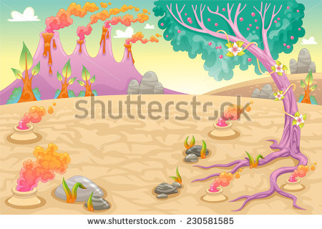

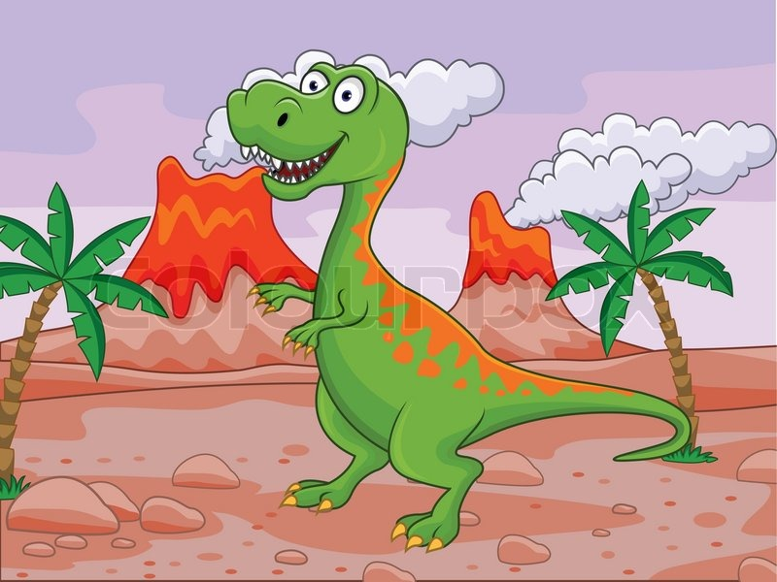

 |  | FOREST ZONE - PRIMER

 |  | Reference Pictures:

UI
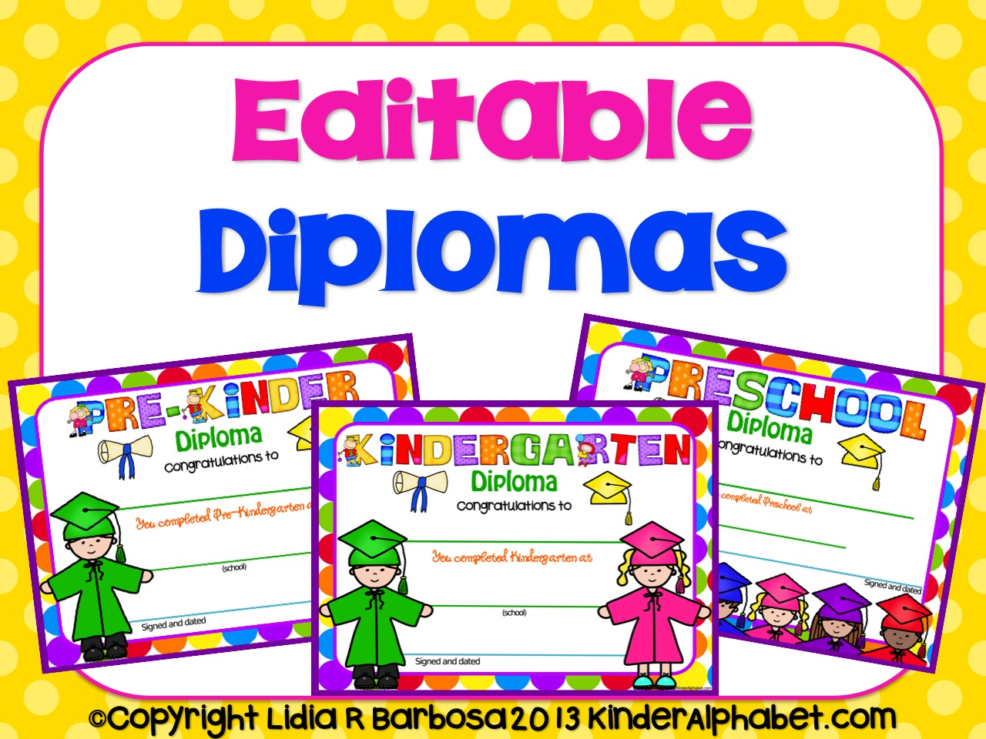
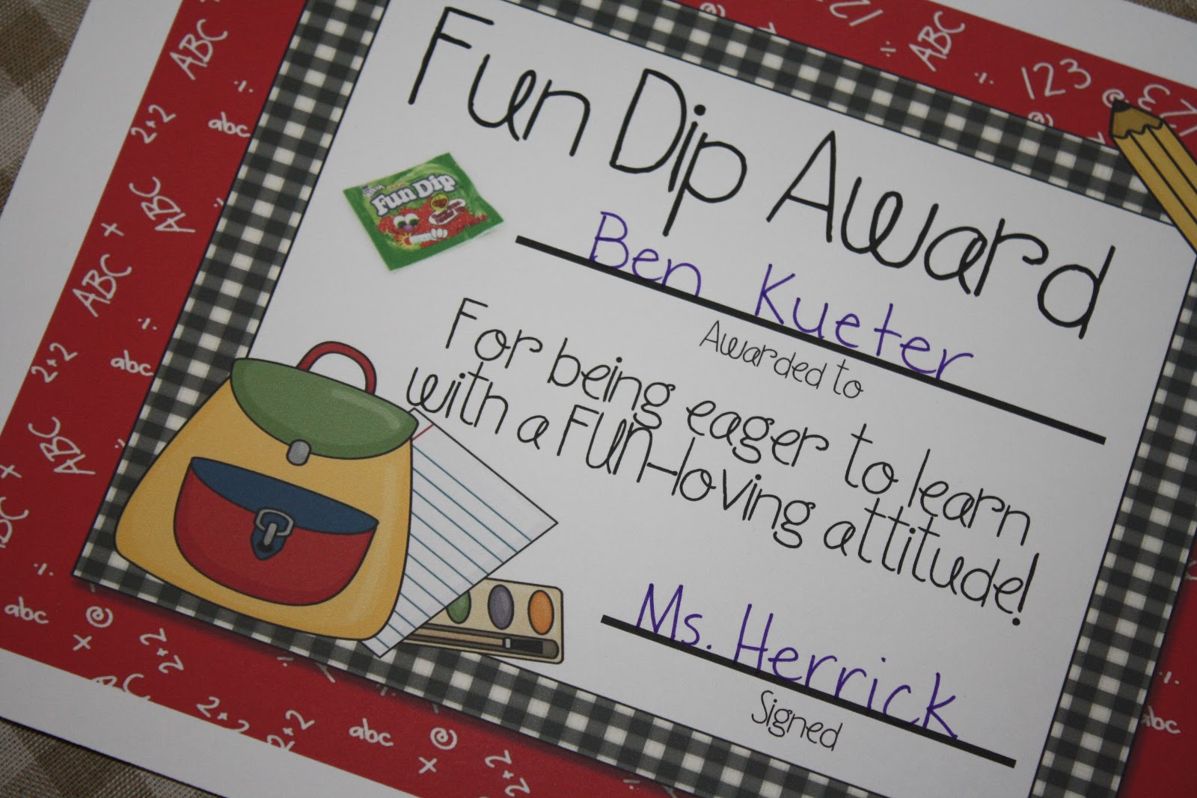
UI |  |  |  |  | BACK

 | DARIO I NEEDS YOU IN THIS WHOLE SECTION

 | SPLASH SCREEN

 | Shown during loading time when opening the app. See World Racers, or Sweetland. |  | 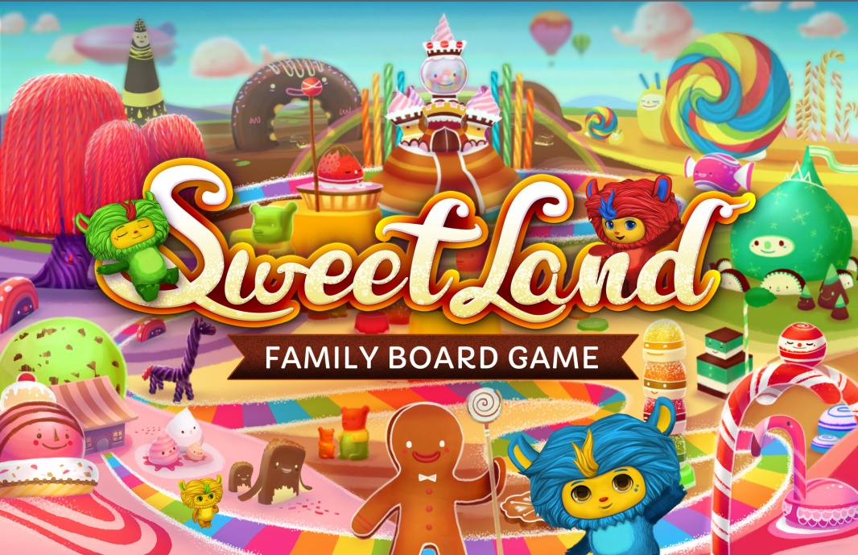 Splash Reference

 | MAIN MENU

 | This will be the landing screen everytime the palyer opens the app. It will have the following elements:
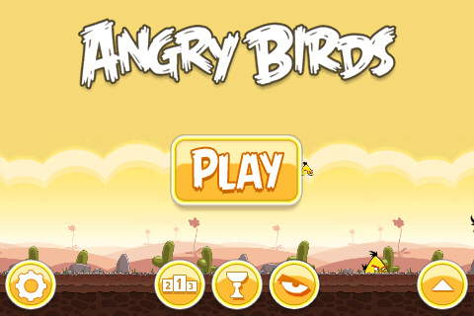
 | 1. Game Title: the game logo will be always present in this screen.

 | 2. Avatar: we could show the avatar in the main screen, playing an idle animation, maybe dismounted from his t-rex pet.

 | 3. Settings Button: tapping this will deploy the game settings (detailed below).

 | 4. Play Button: by tapping this the player will go directly to the levels selection screen.

 | 5.Gallery Button: this will take the player to the Sight Words Gallery where he will be able to see all the words he learnt and the ones he still needs to unlock.
 |  |  | AngryBirds Main Menu

 | SETTINGS

 | Not a full screen persé but an overlay windows wich appears on the left side of the screen, the Settings Setup will allow players to change some general settings of the game as well allow parents to review Privacy Policies and the About Tipitap pages.
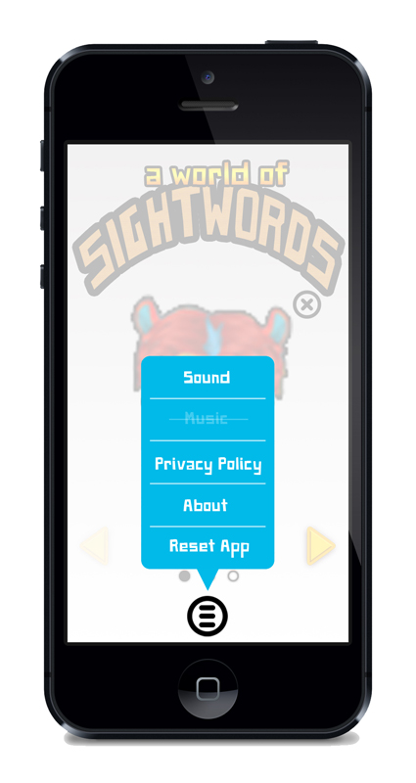
 | 1. Sound Toggle: this button will toggle the sound on and off.

 | 2. Music Toggle: this button will do the same for music.

 | 3. Privacy Policy: this will deploy a full-screen pop-up showing the Tipita's Privacy Policy (as seen in Slides & Ladders).

 | 4. Lower/Higher Case Fonts: this will let the player change how to see the requested words.

 | 5. Change Font: this will allow the player to change the gameplay fonts.

 | 6. About: this will show the about section of Tipitap.

 | 7. Reset App: this will reset the entire app deleting all progress. Might need a child's fence.

 |  |  |  | NOTA: esta la dejo para que la tengas de refe. Acordate que el juego es LANDSCAPE ahora.

 | LEVELS GRID UNLOCKED

 | This will be the screen where the player will see the unlocked levels and will be able to select which one to play (if available). The navigation through the different zones will be free, but it might show a "Zone Locked" sign when reaching some of them since each zone (except zone 1) will have different conditions to be available for play. The elements of this screen are the following:
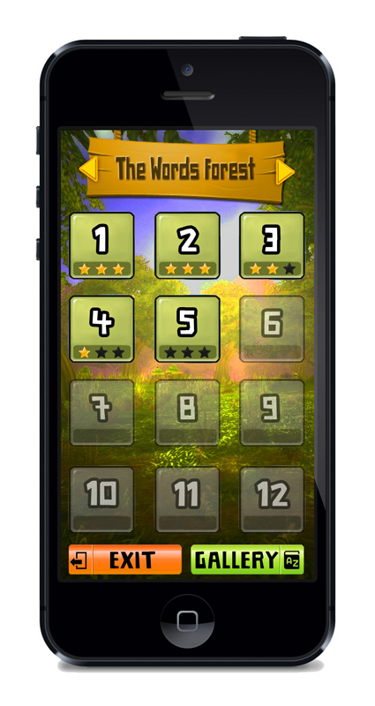
 | 1. Zone Name: this will show, with a themed background, the name of the area the player is currently viewing the levels of.

 | 2. Zones Navigation Arrows: changes the zone when tapped (we could also inclulde swipe control).

 | 3. Levels Grid: this will show the 12 levels per zone the player will find. By swiping left or right over the grid the player will be able to change zones as well as using the navigation arrows. Each level container will work as a button and will have the following info as well as having two states:

 |  | 3.1. Level Number: the biggest data seen in these containers will be the level number.

 |  | 3.2. Stars Rating: this will show the stars the player got during gameplay. There will be always 3 stars showing, but the achieved ones will be fully colored while the stars remaining will be shown grayed out). By default, all levels will show the 3 stars grayed out.

 |  | 3.3. Status: the level containers will have 2 differents status: a. Locked: this will make the container and all it's content transparent and grayed out. During this state, tapping on it won't have any effect. b. Unlocked: in this state the button and the content will be fully colored and the player will be able to tap it and play the level. |  | NOTA: esta la dejo para que la tengas de refe. Acordate que el juego es LANDSCAPE ahora.

 |  | The unlock of levels will always be progressive, so the player will need to finish level 3 to play level 4… finish level 4 to play level 5 etc. Levels containers will pass to Unlocked status following this criteria.

 | 4. Back Button: this will take the player back to the Main Menu screen.

 | 5. Sightwords Gallery Button: this will take the player into a gallery of already discovered words where he'll be able to review the ones of that level (details below).

 | Extra Reference:
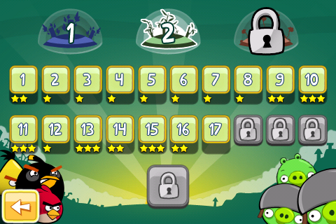

 | LEVELS GRID LOCKED

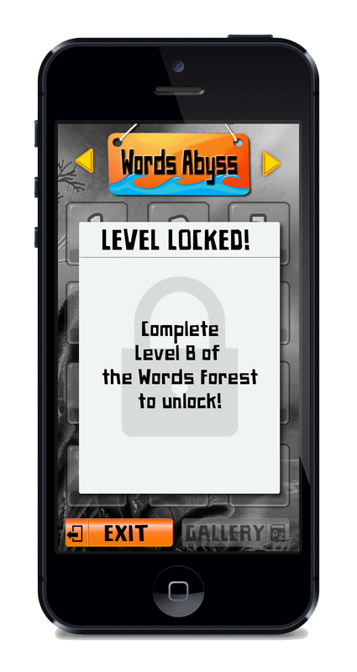
 | When the game begins, only zone 1 will be available, which means the other zones will be locked. The player, while being able to navigate all the zones using the Levels Grid, he will find that the other three zones are locked. This is a short description of what he'll see:

 | 1. Zone Name: this will show, with a theme background, the name of the area the player is currently viewing the levels of, just as the unlocked level.

 | 2. Levels Grid: it will be showm with all the level containers semi-transparent and grayed out. None of the containers will be pushable.

 | 3. Zone Locked Overlay: a sign with the conditions to unlock the zone will be drawn over the levels grid. This will clearly specify what the player needs to do in order to play the levels of the current locked zone (mostly finish certain amount of levels from the previous zones).

 | 4. Back Button: this will take the player back to the Main Menu screen.

 | 5. Gallery Button: just as the level containers, the gallery button for a locked zone will be transparent and grayed out and will be unavailable.

 |  |  | NOTA: esta la dejo para que la tengas de refe. Acordate que el juego es LANDSCAPE ahora.

 | SIGHTWORDS GALLERY

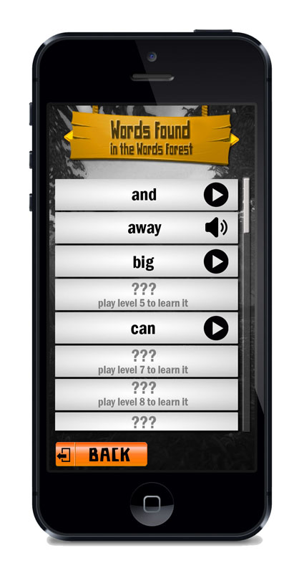
 | This will be the section where the player will be able to review the caught words on each level for thezone he is in. The elements will be the following:

 | 1. Zone Name: this will show, with a theme background, the name of the area the player is currently viewing the levels of, just as the Levels Grid screen.

 | 2. Sightwords List: these will be shown as a simple list with a scroll to see them all (they can be more than 20 per district) and will allow the player to hear them by tapping on each word in this list. The words will be listed alphabetically, so some of them may appear not discovered yet, and some will be seen as discovered all mixed up in the list. The list will show:

 |  | 2.1. Word Container: a container holding the word and the player button when discovered, and the word location when NOT discovered.

 |  | 2.2. Sightword Text: this will be shown with a clear font for any player to easily read it. If the word is not yet discovered, instead of the word the player will read "Find it in Level xx".

 |  | 2.3. Play Button: by tapping this button, the player will hear the respective sightword spoken out loud as in-game while catching it. This button will be available only when the word is already discovered.

 | 3. Navigation Arrows: these will help the player navigate through the galleries of each district. The player will be able to swipe left or right the list of words as well. NOTE: if the district the player is jumping to is locked, he will be atuomatically taken outside the gallery and taken to the levels grid instead, showing the information of the locked zone as explained above. |  |  | NOTA: esta la dejo para que la tengas de refe. Acordate que el juego es LANDSCAPE ahora.

 | 4. Back Button: this will take the player back to the Levels Grid screen.

 | 5. Diploma Button: if the player got his diploma, by pressing this button he will be able to see the Diploma PopUp (see bellow) and will be able to send it over email to the desired account.

 | GAMEPLAY ELEMENTS - REGULAR LEVELS

 | This will be the core action of the game, where the player will have to run constantly in the 4-lanes infinite track collecting sightwords and avoiding incorrect words and obstacles.

 | 1. Pause Button: this button will deploy the Pause Menu which is detailed below.

 | 2. Score: this will show how many points the player has. The higher the score, the fullest the circular bar will be. This will let the player know how many words are left to finish the level. Once the bar completes a full circle, the level will end. Both the score and the circle bar will be affected by player's doing, bot possitive and negative. The number must pulsate when adding one point (aka, collecting a correct SightWord). The steps to fill this circular bar will depend on the score to finish the level, which will vary level to level.
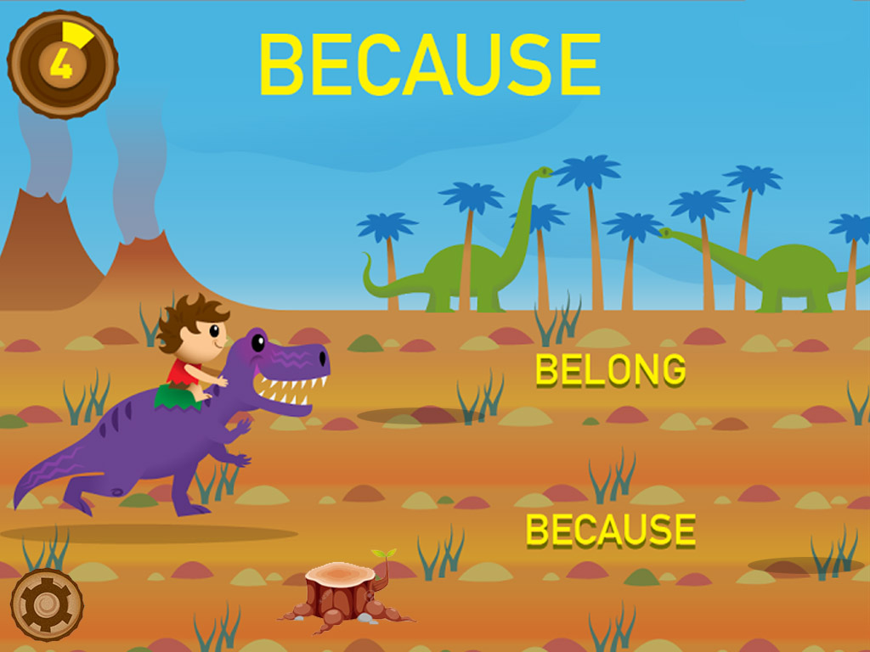

 | PAUSE MENU

 | During gameplay the player can call this menu at any moment by pressing the pause button seen in the top left corner of the screen. This will allow the player a few setting options as well as to leave the level o restart it. The elements are the following:

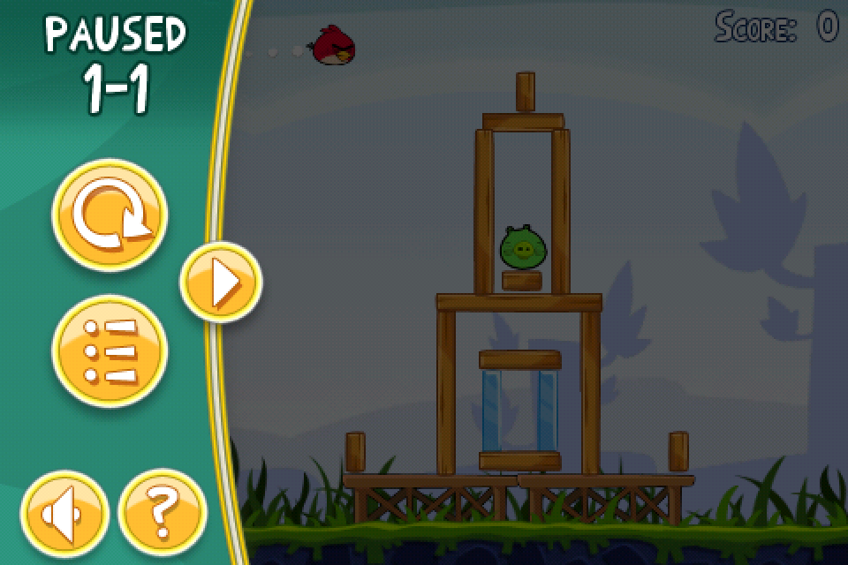
 | 1. Pause Elements Container: this window will contain all the pause elements.

 | 2. Pause Title: it will read simply "Game Paused" and will show, as a subtitle, the Level the player is in for reference.

 | 3. Sound Toggle: this button will toggle the sound on and off.

 | 4. Music Toggle: this button will do the same for music.

 | 5. Restart Level: by tapping this button the player will restart the level his currently playing. No progress (found words) will be saved.
 |  |  | AngryBirds Pause Screen
 | 6. Exit Level: by tapping this button the player will return to the Levels Grid. Since nothing is saved until the level ends, no confirmation is needed.

 | 7. Close Button: this will serve as a Resume Button, dismissing the Pause Menu and returning to the action phase.

 | VICTORY SCREEN (Regular Levels)

 | This screen for regular levels will be very simple containing only a congratulations sign and 3 options for the player to choose:
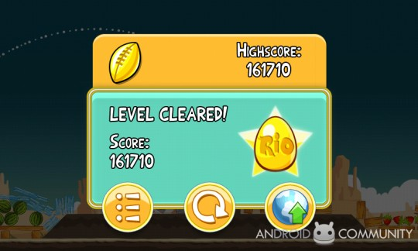
 | 1. Congrats Sign: it will be a container which will hold the rest of the elements described and a title reading "Level Complete!".

 | 2. Stars Rating Results: the stars will be drawn dynamically in this screen so the palyer can clearly see how many start he got. The stars will have their containers empty and will fill up as soon as this screen appears.

 | 3. Learnt Words: a very brief summary showing the words the player learnt in that level. Tapping on the words will trigger their respective voice.

 | 4. Replay Button: this will start the current level all over again. |  | AngryBirds Victory Screen

 | 5. Levels Grid Buton: this will take the player back to the levels grid screen.

 | 6. Next Level Button: this will commence the next level in the zone the player is located. If the current level was the last one of that Zone the player will be taken to the Levels Grid of the new zone (see Level Grid Unlock Zone Animation).

 | LEVEL GRID UNLOCK ZONE ANIMATION

 | This should be a very simple and eye candy animation to let the player know without no mistake that he succceeded in unlocking the zone. Some fireworks with a congratulations overlay would do the trick.

 | GAME END SCREEN

 | When all zones and levels are finished, we should add an End Game screen. Maybe a general overview of a landscape with many happy cavemen all dressed in college togas and throwing their hats in the air with the avatar and his mount in the center cheering, or something like that.

 | DIPLOMA AWARD POP UP SCREEN

 | A very simple congratulations screen in order to let the player know he got the diploma by finishing a zone. This same screen should have two text Input Areas:
 |  | 1. Name Input: the text added here should become part of the diploma when creating the printable version.

 |  | 2. Email Input: this must will be the adress where the diploma file is sent (email send service will be needed).

 | 3. Apply Button: this pop-up must have an Apply or Send button.

 | 4. Close Button: needed is the player does not want to send the diploma to anyone.

 | EXTRA: there must be a neat design for the diploma as well. Some examples from kindergarten diplomas below:

Flowchart
GAME FLOWCHART | BACK

CONFIRM
OPEN APP

LANDING SCREEN (pre-splash)
LOADING

RESET CONFIRMATION
(cancel returns to settings

SETTINGS
. SOUND ON/OFF
. MUSIC ON/OFF
. RESET APP
. CAPS LOCK ON/OFF
. SPECIAL FONTS ON/OFF
. Back Button
MAIN SCREEN
. PLAY
. GALLERY
. SETTINGS
GALLERY
. Check word
. Listen Words (unlocked)
. Check Diploma (unlocked)
. Back Button

SOUND OFF CONFIRMATION
(cancel leaves sound ON)
SOUND OFF

PLAY
CHECK DIPLOMA

LEVEL SELECTION
. Levels Grid
. Zone Selection
. Back Button

DIPLOMA POP UP
.Add Name
. Send to eMail

TAP ON LEVEL

PAUSE MENU
. SOUND ON/OFF
. MUSIC ON/OFF
. RESTART LEVEL
. EXIT LEVEL
ACTION PHASE
. GAME
. PAUSE BUTTON

SOUND OFF CONFIRMATION
(cancel leaves sound ON)
SOUND OFF
PAUSE

YES

WIN LEVEL
WIN ZONE?

NO

VICTORY SCREEN
. Stars Rating
. Learnt Words
. Next Level
. Level Selection
. Replay Level

LEVEL SELECTION

REPLAY
NEXT LEVEL

